Item 4
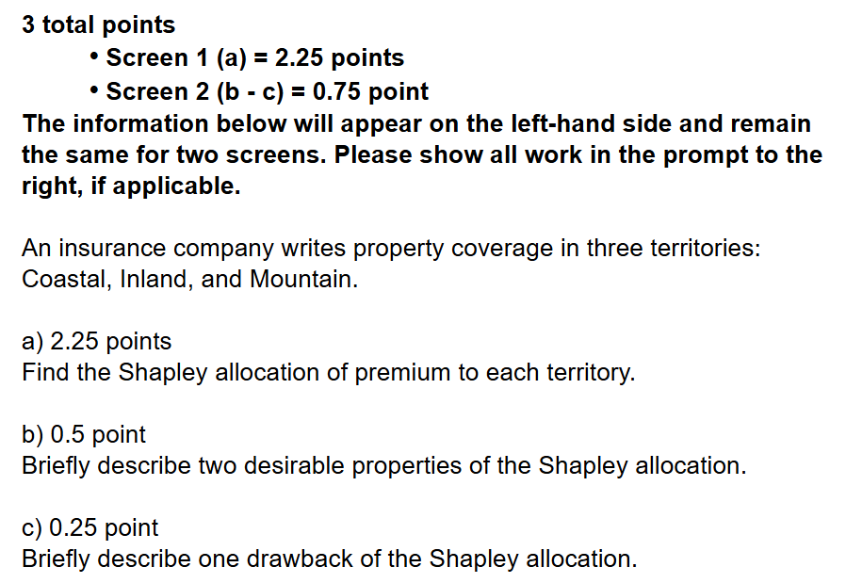
Given the following information:

 |  | Expected | Standard
 | Territory | Loss | Deviation | Correlation | Coastal | Inland | Mountain
 | Coastal | 500 | 1,000 | Coastal | 1.00 | 0.35 | 0.15
 | Inland | 275 | 200 | Inland | 0.35 | 1.00 | 0.25
 | Mountain | 100 | 25 | Mountain | 0.15 | 0.25 | 1.00

 | Cohort |  | Premium
 | Coastal & Inland |  | 1,046.57
 | Coastal & Mountain |  | 851.01
 | Inland & Mountain |  | 426.92

 | The insurance company prices using the standard deviation premium calculation principle with π= |  |  |  |  |  |  | 0.25
 | Losses are assumed to be normally distributed.

a. 2.25 points | Find the Shapley allocation of premium to each territory.
b. 0.5 point | Briefly describe two desirable properties of the Shapley allocation.
c. 0.25 point | Briefly describe one drawback of the Shapley allocation.
Enter your response for part a Coastal territory in cell J18.
Enter your response for part a Inland territory in cell J19.
Enter your response for part a Mountain territory in cell J20.
SHOW ALL WORK.

Item 5
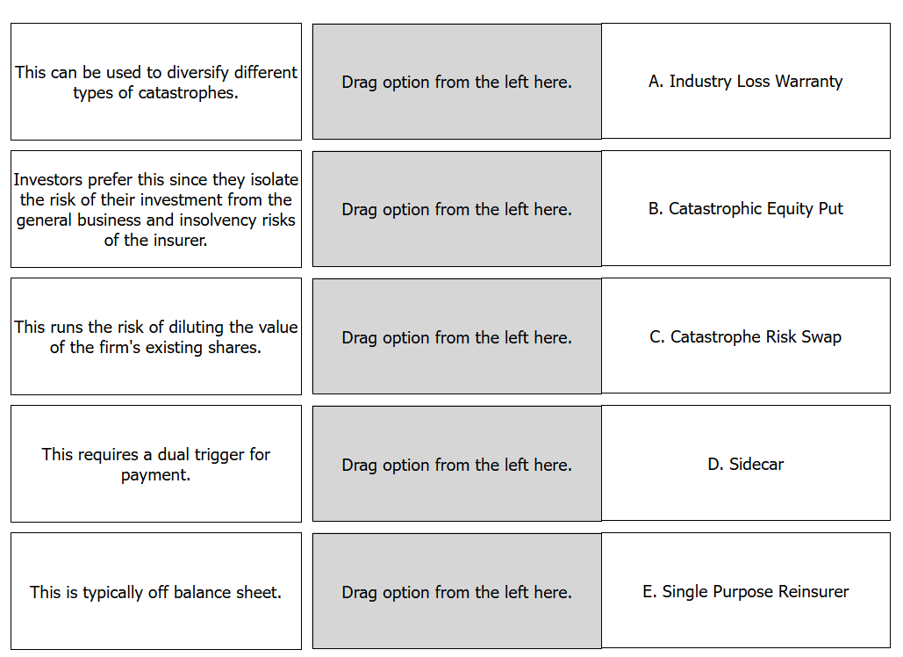
1.25 points
Match the descriptions in the left column with the terms (A) through E in the right column. (Each option in the left column may be used once.)
Description
Term

Answer 5
Points: | 1.25 points
Item Type: | Enhanced Matching
Domain: | C: Financial Risk Management (FRM)
Subdomain: | n/a
Task: | 7: Describe and apply securitization and its applications to the management of catastrophe risk (e.g., CAT bonds, insurance-linked securities).
Reference: | Cummins, J. D., “CAT Bond and Other Risk-Linked Securities: State of the Market and Recent Developments,” Risk Management and Insurance Review, American Risk and Insurance Association, Inc., 2008, Vol. 11, No. 1 (pg 27, 29-31)
Source Label: | Retired
Administration: | Spring 2026
Selection Criteria: | New item type

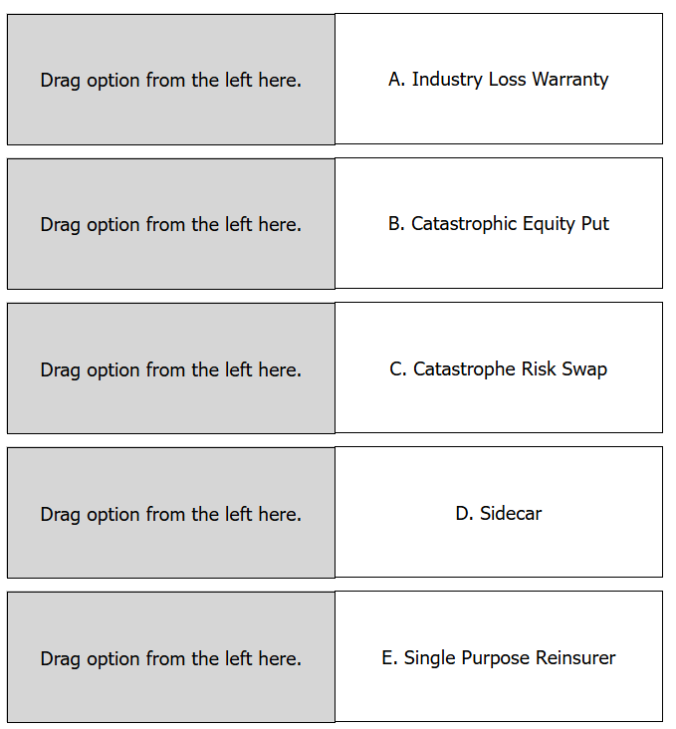
Correct / Full-credit Answer:
Shown Work:



Full Credit Narrative: | all correct or no credit
Pitfalls/Mistakes: | Candidates confused sidecar and single purpose reinsurer.

