Item 1
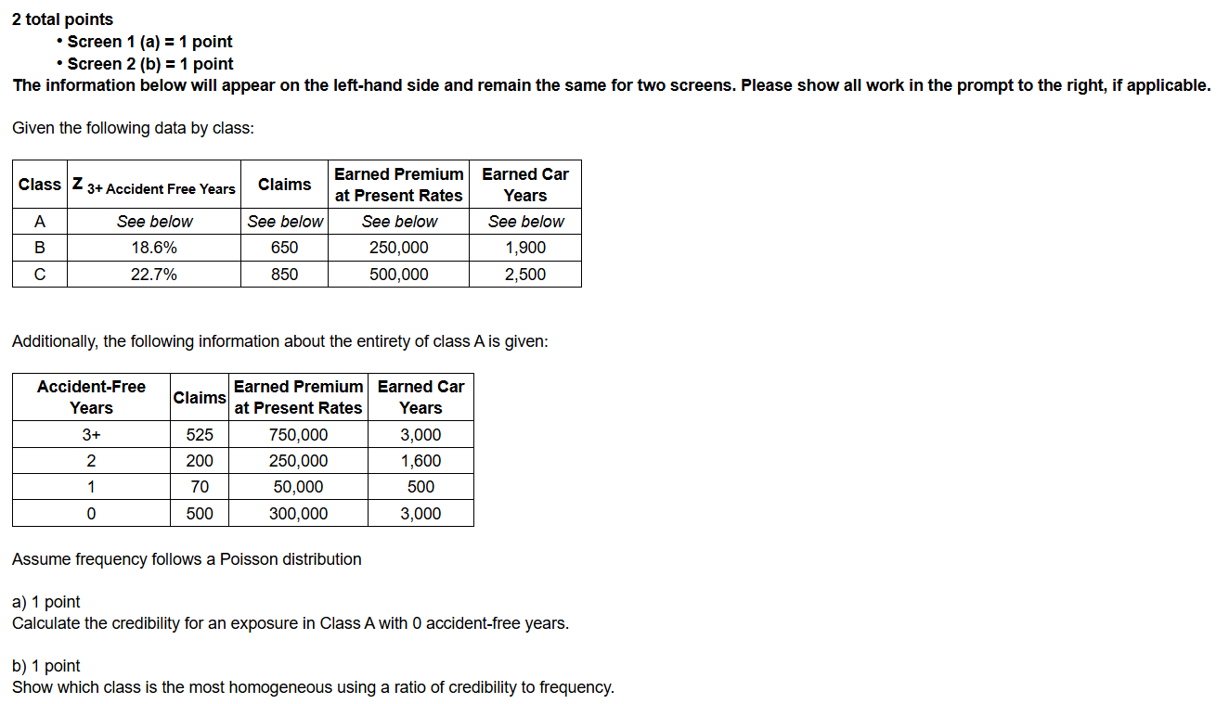
 | Class | Z 3+ Accident Free Years | Claims | Earned Premium at Present Rates | Earned Car Years
 | A | See below | See below | See below | See below
 | B | 18.6% | 650 | 250,000 | 1900
 | C | 22.7% | 850 | 500,000 | 2500

 | Accident Free Years | Claims | Earned Premium at Present Rates | Earned Car Years
 | 3+ | 525 | 750,000 | 3,000
 | 2 | 200 | 250,000 | 1,600
 | 1 | 70 | 50,000 | 500
 | 0 | 500 | 300,000 | 3,000

a. 1 point | Calculate the credibility for an exposure in Class A with 0 accident-free years.
b. 1 point | Evaluate which class is the most homogeneous using a ratio of credibility to frequency.
Enter your response for part a in cell G15.
Enter your response for part b in cell G16.
SHOW ALL WORK.

Item 2
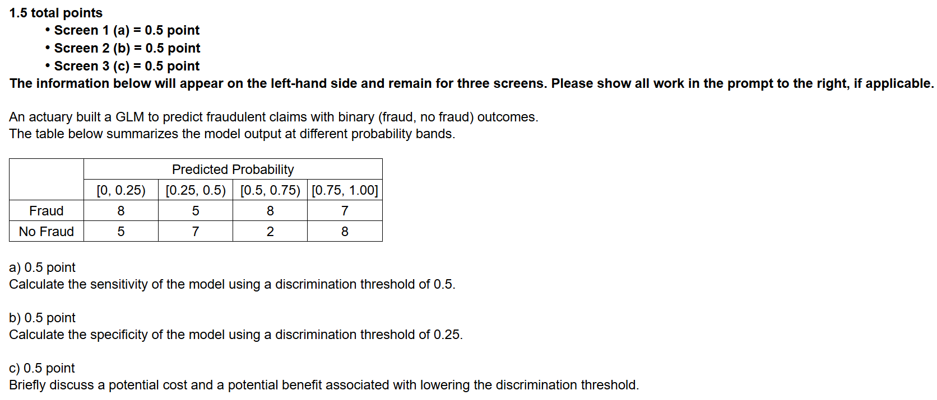
An actuary built a GLM to predict fraudulent claims with binary (fraud, no fraud) outcomes.

 | The table below summarizes the model output at different probability bands.

 |  | Predicted Probability
 |  | [0, 0.25) | [0.25, 0.5) | [0.5, 0.75) | [0.75, 1.00]
 | Fraud | 8 | 5 | 8 | 7
 | No Fraud | 5 | 7 | 2 | 8

a. 0.5 point | Calculate the sensitivity of the model using a discrimination threshold of 0.5.
b. 0.5 point | Calculate the specificity of the model using a discrimination threshold of 0.25.
c. 0.5 point | Briefly discuss a potential cost and a potential benefit associated with lowering the discrimination threshold.
Enter your response for part a in cell I13.
Enter your response for part b in cell I14.
SHOW ALL WORK.

Item 3
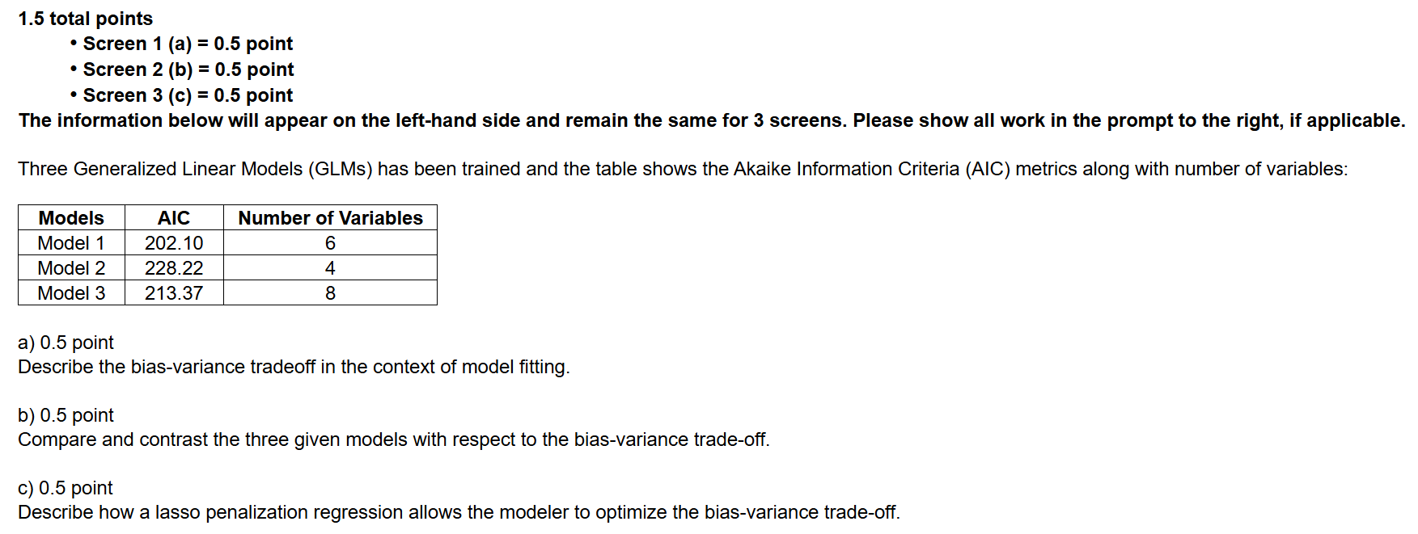
Three Generalized Linear Models (GLMs) have been trained and the table shows the Akaike Information Criteria (AIC) metrics along with number of variables:

 | Models | AIC | Number of Variables
 | Model 1 | 202.10 | 6
 | Model 2 | 228.22 | 4
 | Model 3 | 213.37 | 8

a. 0.5 point | Describe the bias-variance trade-off in the context of model fitting.
b. 0.5 point | Compare and contrast the three given models with respect to the bias-variance trade-off.
c. 0.5 point | Describe how a lasso penalization regression allows the modeler to optimize the bias-variance trade-off.
SHOW ALL WORK.

