Answer 2
Points: | 1.75
Item Type: | Spreadsheet
Domain: | A: Estimation of Claims Liabilities
Subdomain: | A.iii: Unpaid Claim Stochastic Distribution
Task: | A.iii. 5: Derive predictive distributions using stochastic methods.
Reference: | Taylor, G. and Mcguire, G., "Stochastic Loss Reserving Using Generalized Linear Models", CAS Monograph #3, Chapters1-6. Including errata. Pages 25-27
Source Label: | Retired
Administration: | Fall 2025
Selection Criteria: | More than half candidate got full credit, representitive of standard stochastic reserving problem.

Correct / Full-credit Answer:
1.75 points

 | Given the following information in ($000s) as of December 31, 2021:

 |  | Incremental Paid Loss as of (months)
 | Accident Year | 12 | 24 | 36 | 48
 | 2018 | 50,000 | 25,000 | 10,000 | 5,750
 | 2019 | 70,000 | 32,000 | 11,500
 | 2020 | 85,000 | 35,000
 | 2021 | 90,000

 | • Assume there is no development after 48 months.
 | • Assume the dispersion parameters are identical for all cells.

a. 1.25 points | Calculate the expected unpaid losses for accident years 2020 and 2021 resulting from an Over-Dispersed Poisson (ODP)
 | Cross-Classified Model.
b. 0.5 point | Briefly describe two implications of the relationship between the ODP Cross-Classified Model and the conventional chain
 | ladder method.
SHOW ALL WORK.

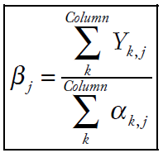
 | Subpart a | 1.25 points total | Taylor, pg. 27

 |  |  | 12 | 24 | 36 | 48
 | 0.25 point | Incremental Loss | 295,000 | 92,000 | 21,500 | 5,750
 | 0.25 point | β | 0.576 | 0.259 | 0.101 | 0.063

 |  |  | Cumulative
 |  | Accident Year | Loss | α
 |  | 2018 | 90,750 | 90,750 | 0.25 point
 |  | 2019 | 113,500 | 121,178 | 0.25 point
 |  | 2020 | 120,000 | 143,680
 |  | 2021 | 90,000 | 156,121

 | 0.25 point |  | Taylor, pg. 27 |  | Note to Graders - if candidate acknowledges the chain ladder as equal and uses it full credit can be awarded

 |  |  | Expected
 |  | Accident Year | Unpaid Losses
 |  | 2020 | 23,680
 |  | 2021 | 66,121

 | Subpart b | 0.5 point total | Taylor, pg. 25

 | 0.25 point | Forecasts obtained from the ODP Mack and ODP cross-classified models are identical and equal to those obtained from
 |  | the conventional chain ladder, despite the very different formulations of the models.

 | 0.25 point | Cross-classified model is formulated in terms of parameters thus one may obtain forecasts
 |  | without any consideration of the parameters directly, but working as if the model were an ODP Mack model

Full Credit Narrative:
Full credit for part a if formula and application of formula correct, and arrive at the correct answers for 2020 and 2021
Correctly identify the two implications between ODP and CL

Pitfalls/Mistakes:
1. calculation errors, not using the correct formula. Example include wrong β's in the denominator when calculating α, some candidates subtract all β's instead of only the β's for the remaining development periods
2. Not providing two answers. Common mistake - not elaborating on you can obtain forecasts without directly estimating parameters, just working as if it were an ODP Mack model. And duplicating the first answer with different variations

Item 3
1 point
 | An actuary is assessing a risk margin for insurance liabilities of an automobile insurance portfolio.

 | Match the statements in the left column having an impact on the variability of insurance liabilities with the associated risk source that a risk margin should account for in the right column.

 | Each option in the left column may be used once.

Variability Impact
Risk Source

Independent Risk - Random component of parameter risk.
Internal Systemic Risk - Data Error
Drag option from the left here.
Process leading to the reporting of case reserves have changed without the actuary being informed.
Drag option from the left here.
The true expected frequency and severity of an auto claim is constantly evolving due to the dynamic nature of the insurance market.

Independent Risk - Random component of process risk.
External Systemic Risk - Economic and Social Risks
Drag option from the left here.
The Chain Ladder model is the single model used to estimate unpaid claims.
Drag option from the left here.
In an attempt to limit claim cost increases, regulators have imposed a limit on the number of experts involved in traffic injury lawsuits.

Internal Systemic Risk - Specification Error
External Systemic Risk - Lesislative, Political Risks and Claim Inflation Risks
Drag option from the left here.
Even if the model is very well calibrated with sufficient credible data, generally unfavorable weather conditions lead to an unexpected high frequency.
Drag option from the left here.
A sudden increase in the frequency of vehicle thefts has an impact on average claim cost.

Internal Systemic Risk - Parameter Selection Error
External Systemic Risk - Recovery Risk
Drag option from the left here.
Reinsurers have seen their credit ratings be downgraded due to an increase in frequency of natural disasters.
Drag option from the left here.
A weighted average is used to estimate loss development factors for all development periods.

Answer 3
Points: | 1
Item Type: | Enhanced Matching
Domain: | A: Estimation of Claims Liabilities
Subdomain: | A.iv: Unpaid Claim Output & Diasnostic Analysis
Task: | A.iv.4: Calculate risk margins.
Reference: | Marshall, K., Collings, S., Hodson, M., and O'Dowd, C., "A Framework for Assessing Risk Margins", Institute of Actuaries of Australia 16th General Insurance Seminar, 9-12 November 2008, Coolum, Australia. Pages 11, 31, 33, 38-39, 41-42
Source Label: | Retired | 307604
Administration: | Spring 2024
Selection Criteria: | Candidates generally performed well on this question, this is to showcase a potential new question type question for exam 7.

Correct / Full-credit Answer:
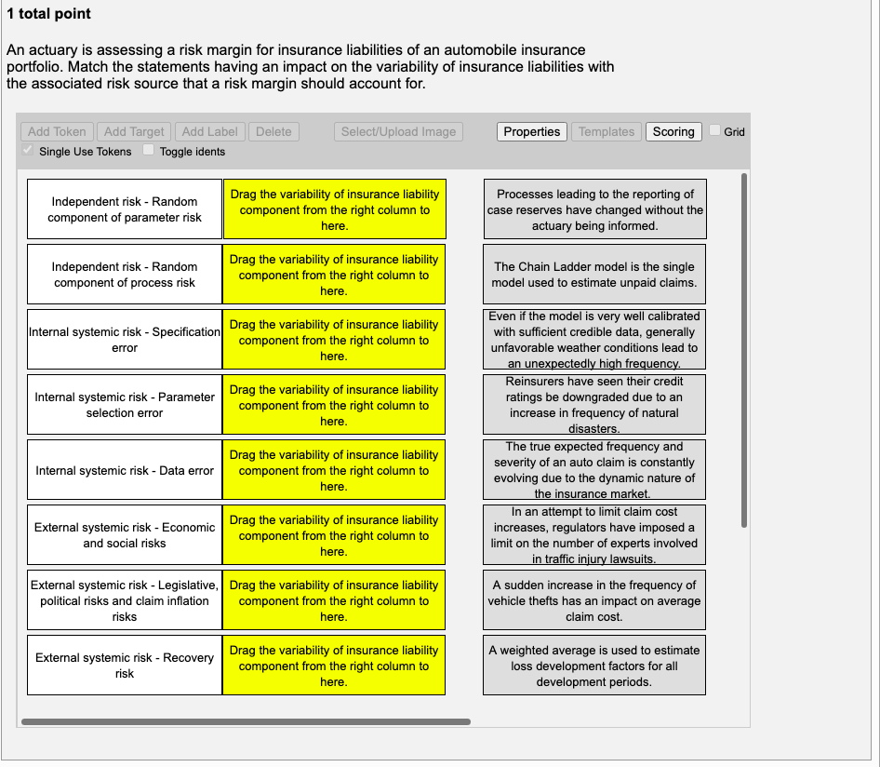

Shown Work:
Question requires no calculations

Full Credit Narrative:
Candidates receive full credit if all items are matched

Pitfalls/Mistakes:
1. Misclassify process risk and parameter risk

