Blank Item
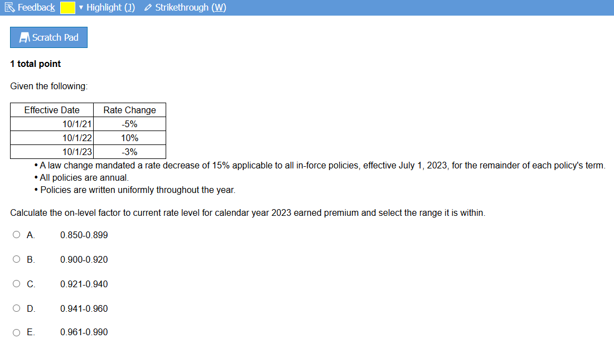

Step 4
 | This is a scratch pad. It will NOT be graded.
 | Work done in this sheet will carry over from one item to the next

 | Eff Dt | RC | Index
 | 2021-10-01 | -5% | 0.95 | equals 1 plus K5
 | 2022-10-02 | 10% | 1.10 | equals 1 plus K6
 | 2023-10-01 | -0.30 | 0.70 | equals 1 plus K7
candidate fixes previous error made where it was a minus sign and should have been a plus sign
Earned | 2023-07-01 | -15% | 0.85 | equals 1 plus K9
Parallelogram image

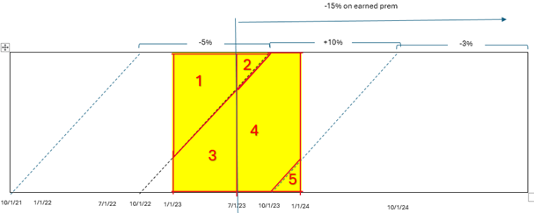

*highlighted cells indicate a mistake the candidate made that is corrected later on

